Barbie Closeouts
Barbie Closeouts

Pick & Choose

Quantity: 412,686 units

Price: As Shown, per unit, ExWarehouse Los Angeles, CA

Image | Item # | Description | Pack | Origin | # Units | Price | UPC | UCC | Case Size | Wt | Cube | Tie | Hi | Item Size | Item Wt
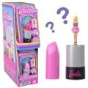 | HYF19999A | Mattel DP Barbieland Mini Core Dolls | 10 | China | 91,057 | $1.22 | 194735245192 | 50194735245197 | 6" x 3" x 13" | 1 | 0.13 | 40 | 16 | 3" x 1" x 6" | 10
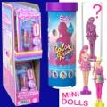 | HYF28999A | Mattel DDC Barbieland Color Reveal Dolls | 10 | China | 42,488 | $1.29 | 194735245239 | 50194735245234 | 6" x 3" x 13" | 1 | 0.13 | 40 | 16 | 3" x 1" x 6" | 10
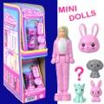 | HYM25999A | Mattel DDC Barbieland Pop Reveal | 10 | China | 49,208 | $1.29 | 194735250981 | 50194735250986 | 6" x 3" x 13" | 1 | 0.13 | 32 | 16 | 3" x 1" x 6" | 10
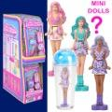 | HYM26999A | Mattel DDC Barbieland Pop Reveal | 10 | China | 58,610 | $1.29 | 194735250998; (2) Blue (3) Purple (5) Pink | 50194735250993 | 6" x 4" x 13" | 1 | 0.18 |  |  | 3" x 1" x 6" | 10
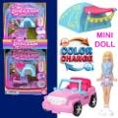 | HYF439993 | Mattel DDC Mini Barbieland Jeep | 6 | China | 17,559 | $2.04 | 194735245246 | 50194735245241 | 7" x 6" x 13" | 1 | 0.31 | 20 | 13 | 5.5" x 2" x 6" | 2
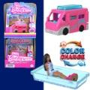 | HYF399993 | Mattel DDC Mini Barbieland Camper | 6 | China | 31,960 | $2.04 | 194735245208 | 50194735245203 | 7" x 6" x 13" | 1 | 0.31 | 20 | 13 | 5.5" x 2" x 6" | 2
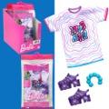 | HRH389633 | Mattel DDC Barbie Fashions | 8 | Indonesia | 1,647 | $3.10 | 194735177110 | 50194735177115 | 7" x 5" x 8" | 1 | 0.16 | 52 |  | 4.25" x .75" x 8.25" | 1
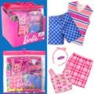 | HRH479633 | Mattel DDC Barbie Fashions | 8 | Indonesia | 9,717 | $3.10 | 194735176960 | 50194735176965 | 8" x 7" x 8" | 1 | 0.26 | 30 | 12 | 7.5" x 1" x 8" | 2
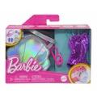 | HJT439564 | Mattel DDC Barbie Fashions | 4 | Indonesia | 14,203 | $3.10 | 194735094196 | 50194735094191 | 8" x 7" x 4" | 1 | 0.13 | 41 | 13 | 6.25" x 2" x 4" | 2
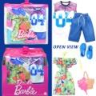 | HBV729633 | Barbie Fashion Barbie & Ken Beach Pack | 8 | Indonesia | 1,224 | $3.63 | 194735002764 | 50194735002769 | 8" x 7" x 8" | 2 | 0.26 | 30 | 12 | 7" x 1" x 6.75" | 3
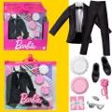 | GWF119633 | Barbie Fashion Ken's Groom Suit | 8 | Indonesia | 1,310 | $3.63 | 887961939088 | 50887961939083 | 8" x 7" x 8" | 2 | 0.26 | 30 | 12 | 7" x 1" x 6.75" | 3
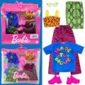 | HJT369633 | Mattel DDC Barbie 2pk Fashions Sporty | 8 | Indonesia | 2,088 | $3.74 | 194735094028 | 50194735094023 | 8" x 7" x 8" | 2 | 0.26 | 30 | 12 | 7" x .75" x 7" | 2.5
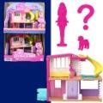 | HYF479993 | Mattel DDC Mini Barbieland Doll & Accessories | 4 | China | 30,632 | $3.22 | 194735245284 | 50194735245289 | 9" x 7" x 13" | 2 | 0.47 | 18 | 10 | 9" x 3" x 6" | 5
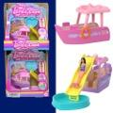 | HYF419993 | Mattel DDC Mini Barbieland Boat | 6 | China | 3,225 | $3.16 | 194735245178 | 50194735245173 | 7" x 6" x 13" | 1 | 0.31 | 20 | 13 | 5.5" x 2" x 6" | 2
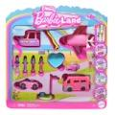 | JDB859993 | Mattel DDC Mini Barbieland Vehicles | 4 | China | 5,756 | $7.24 | 194735280407 | 50194735280402 | 11" x 10" x 11" | 3 | 0.7 | 16 | 8 | 10.5" x 2.25" x 10.5" | 10
 | JDB859564 | Mattel DDC Mini Barbieland Vehicles | 4 | China | 8,153 | $7.24 | 194735280407 | 50194735280402 | 11" x 10" x 11" | 3 | 0.7 | 16 | 8 | 10.5" x 2.25" x 10.5" | 10
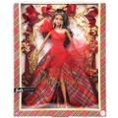 | HRM639993 | Mattel DDC Barbie Holiday Doll Latina | 3 | Indonesia | 2,307 | $14.24 | 194735181148 | 50194735181143 | 11" x 10" x 14" | 4 | 0.89 | 16 | 6 | 10.5" x 3" x 13" | 15
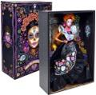 | HRM729765 | Mattel DP Barbie Dia De Los Muertos Doll | 1 | Indonesia | 513 | $59.80 | 194735180903 | 50194735180900 | 9" x 4" x 16" | 3 | 0.33 | 27 | 10 | 9" x 3.5" x 13" | 37
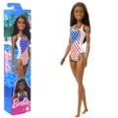 | HRF469993 | Mattel DDC Barbie Flag Beach Doll Diverse | 4 | Indonesia | 7,664 | $2.57 | 194735174690 | 50194735174695 | 13" x 5" x 4" | 1 | 0.15 | 37 | 19 | 2.5" x 1.5" x 12.7" | 5
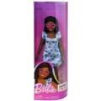 | HYK149565 | Mattel DDC Barbie Fashionista Doll Diverse | 4 | Indonesia | 1,088 | $4.91 | 194735248797 | 50194735248792 | 8" x 4" x 13" | 2 | 0.24 | 30 | 12 | 4" x 2" x 12.7" | 7
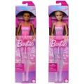 | HRG33979A | Mattel DDC Barbie Ballet Doll | 4 | Indonesia | 163 | $4.91 | 194735175901; (1) Hair brown 194735175963; (3) Hair blonde | 50194735175906 |  | 1 | 0.18 | 34 | 16 | 3.5" x 1.5" x 13" | 5
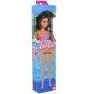 | HXX509633 | Mattel DP Barbie Beach Doll Orange Latina | 4 | Indonesia | 2,392 | $5.26 | 194735240999 | 50194735240994 | 13" x 6" x 4" | 1 | 0.18 | 36 | 16 | 2.75" x 1.5" x 13" | 5
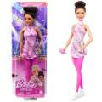 | HRG379564 | Mattel DDC Barbie Figure Skater Doll Diverse | 4 | Indonesia | 2,092 | $5.26 | 194735176038 | 50194735176033 | 13" x 9" x 4" | 2 | 0.27 | 33 | 10 | 4.5" x 2" x 12.7" | 5.5
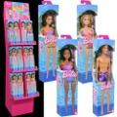 | HHW919993 | Mattel DP Beach Barbie Floor 48 pc Display | 48 | China | 3,084 | $6.08 | 194735241019; (4) Purplu swimsuit 194735240999; (16) Purple orange swi 194735240982; (24) Pink swimsuit 194735240968; (4) Ken | 50194735241014 | 14" x 10" x 41" | 23 | 3.32 | 12 | 2 | 3.5" x 1.75" x 12.7" | 5.1
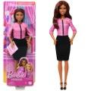 | HXN999993 | Mattel DDC Barbie Presidential Candidate Doll Diverse | 4 | Indonesia | 4,590 | $6.08 | 194735235612 | 50194735235617 | 8" x 5" x 13" | 2 | 0.3 | 28 | 12 | 4.5" x 2" x 12.7" | 6
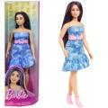 | HYT899564 | Mattel DDC Barbie Fashionista Doll # 231 | 4 | Indonesia | 5,318 | $6.08 | 194735255665 | 50194735255660 | 8" x 5" x 13" | 2 | 0.24 | 30 | 12 | 4" x 2" x 12.7" | 8
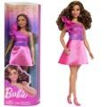 | HRH229565 | Mattel DDC Barbie Fashionista Doll # 225 Diverse | 4 | Indonesia | 3,457 | $6.08 | 194735176793 | 50194735176798 | 8" x 4" x 13" | 2 | 0.24 | 30 | 12 | 4" x 2" x 12.7" | 8
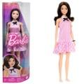 | HRH219564 | Mattel DDC Barbie Fashionista Doll Brunette | 4 | Indonesia | 561 | $6.08 | 194735176649 | 50194735176644 | 13" x 8" x 5" | 2 | 0.3 | 30 | 19 | 4" x 2" x 12.7" | 7
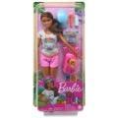 | HNC399564 | Mattel DDC Barbie Spa Recharge Playset | 3 | Indonesia | 2,445 | $7.30 | 194735136964 | 50194735136969 | 7" x 6" x 13" | 2 | 0.31 | 21 | 13 | 5.75" x 2.25" x 12.5" | 9.5
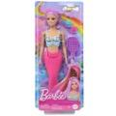 | HRR009564 | Mattel DDC Barbie Mermaid Pink Fantasy Doll & Accessories | 3 | Indonesia | 2,486 | $7.88 | 194735183692 | 50194735183697 | 7" x 5" x 13" | 2 | 0.26 | 25 | 13 | 5.25" x 2" x 12.7" | 8
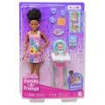 | HTK349565 | Mattel DDC Barbie Skipper Playset | 3 | Indonesia | 1,619 | $8.76 | 194735192151 | 50194735192156 | 9" x 9" x 13" | 2 | 0.61 | 25 | 7 | 8.5" x 2.75" x 12.7" | 10
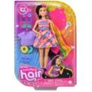 | HCM909564 | Mattel DDC Barbie Totally Hair Doll - Multicolor | 4 | China | 745 | $9.58 | 194735014842 | 50194735014847 | 10" x 9" x 13" | 3 | 0.68 | 20 | 7 | 9" x 2.5" x 12.7" | 10
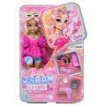 | HYC219993 | No Online Mattel DDC Barbie Dream Besties Doll & Accessories Playset, Malibu” Posable Fashion Doll with Wavy Blonde Hair, 11 Makeup & Hair Themed Pieces | 4 | Indonesia | 1,480 | $11.91 | 194735243266 | 50194735243261 | 10" x 9" x 13" | 4 | 0.68 | 20 | 7 | 8" x 2.25" x 12.7" | 13
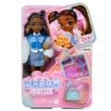 | HYC229993 | No Online Mattel DDC Barbie Dream Besties Doll & Accessories Playset, Brooklyn” Posable Fashion Doll with Long Black Hair, 9 Music-Themed Pieces | 4 | Indonesia | 300 | $11.91 | 194735243297 | 50194735243292 | 10" x 9" x 13" | 4 | 0.68 | 20 | 7 | 8" x 2" x 12.7" | 13
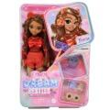 | HYC239993 | No Online Mattel DDC Barbie Dream Besties Doll & Accessories Playset, Teresa Posable Fashion Doll with Brown Hair & Hair Clips, 10 Video Game-Themed Pieces | 4 | Indonesia | 338 | $11.91 | 194735243273 | 50194735243278 | 10" x 9" x 13" | 4 | 0.68 | 20 | 7 | 8" x 2" x 12.7" | 13
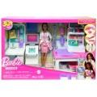 | GTN619565 | Mattel DDC Barbie Fast Cast Clinic Playset, Brunette Doctor Doll 12" 30+ Play Pieces, 4 Play Areas | 2 | Indonesia | 1,207 | $21.24 | 887961918717 | 50887961918712 | 20" x 10" x 13" | 8 | 1.5 | 10 | 7 | 20" x 4.75" x 12.5" | 56
 |  |  |  |  | 412,686

